AP Header(Tech)
S No | Error Message

1 | *****1-6XXGFAAU_CHK_B28_07006invoice_amount format error

 | The Error is reported in cases where there is a format issue with the amount. The Error is reported for 2 Invoices created in JPY currency where the amount is in decimal. Since the amount is in decimal we get the error

2 | *****1-XXGFAAU_CHK_C17_10001payment_group is null

 | This error is reported when Payment group is not getting assigned in GAIA ie GAIA tries to assign a value to the Payment group field based on supplier setup but the value is NULL.

 | SELECT atv.name ,
 | apsa.pay_group_lookup_code
 | INTO wk_payment_term ,
 | wk_pay_group
 | FROM ap_terms_vl atv ,
 | ap_supplier_sites_all apsa,
 | ap_suppliers aps
 | WHERE aps.segment1 = wk_supplier_code AND
 | aps.vendor_id = apsa.vendor_id AND
 | apsa.vendor_site_code = wk_supplier_site_code AND
 | apsa.org_id = wk_org_id AND
 | atv.term_id(+) = apsa.terms_id;

 | wk_supplier_code = Mapped value of the vendor number
 | wk_supplier_site_code = Mapped value of vendor_site_code , If the supplier is and Employee then the wk_supplier_site_code = 'OFFICE'

 | 2. If No Data is found then the program will assign the value of pay_group_lookup_code fetched from the staging table and assigned.
 | 3. As per GAIA check pay_group_lookup_code should be NULL In the staging table
 | 4. Since the above query does not fetch any data and pay_group_lookup_code is also NULL we get this Error.

3 | *****1-41XXGFAAU_CHK_A16_00001supplier_site_code error

 | The Error is reported when GAIA program checks for the pay_site_flag for the supplier site , but the query does not return any data

 | The below Query is Executd:

 | SELECT apsa.pay_site_flag
 | INTO wk_pay_site_flag
 | FROM ap_supplier_sites_all apsa,
 | ap_suppliers aps
 | WHERE aps.segment1 = wk_supplier_code AND
 | apsa.vendor_id = aps.vendor_id AND
 | apsa.vendor_site_code = wk_supplier_site_code AND
 | apsa.org_id = wk_org_id AND
 | aps.enabled_flag = cons_status_y AND
 | NVL(TRUNC(aps.end_date_active),TO_DATE('99991231','YYYYMMDD')) > wk_standard_date AND
 | NVL(TRUNC(apsa.inactive_date),TO_DATE('99991231','YYYYMMDD')) > wk_standard_date;

Analysis | If the Error is reported we need to check on 2 things 1. If the correct mapping is maintained in the upperstream system 2. The corresponding mapped supplier/site is present in GAIA and is enabled/active

4 | *****1-1XXGFAAU_CHK_B30_00001supplier_site_code error

 | The above Error is reported when GAIA Program checks if the maped value of the vendor number and vendor site are present in GAIA or NOT

 | The below query is used vy GAIA for testing:

 | BEGIN
 | SELECT vendor_id ,
 | vendor_name
 | INTO wk_vendor_id ,
 | wk_vendor_name
 | FROM ap_suppliers
 | --# ¿¿¿¿¿¿¿¿¿¿¿¿ Mod START 2011/10/19 1.2 SCSK ¿
 | WHERE segment1 = wk_supplier_code;
 | -- WHERE segment1 = in_supplier_code;
 | --# ¿¿¿¿¿¿¿¿¿¿¿¿ Mod END 2011/10/19 1.2 SCSK ¿
 | EXCEPTION
 | WHEN NO_DATA_FOUND THEN
 | out_return_code := 'XXGFAAU_CHK_B30_00001';
 | RETURN;
 | END;

Analysis | If the Error is reported we need to check on 2 things 1. If the correct mapping is maintained in the upperstream system 2. The corresponding mapped supplier/site is present in GAIA and is enabled/active

5 | *****1-49XXGFAAU_CHK_A13_00004period status error

 | This Error is Reported if the gl_date of the transaction falls in a closed period in GAIA. If we check the GAIA Data base we see that GL Period is closed for all the Periods for PHP Set of Books, thus this error is reported. In Order for the transactions to be validated the GAIA Gl Period needs to be in Open status. Please find below the Code used to fetch this information.

 | Error Details
 | GAIA Code Snippet
 | BEGIN
 | SELECT period_name ,
 | closing_status
 | INTO wk_period_name ,
 | wk_closing_status
 | FROM gl_period_statuses
 | WHERE application_id = wk_application_id(Application Id of AP Module) AND
 | TRUNC(NVL(start_date,wk_accounting_date)) <= wk_accounting_date(gl_date of te AR transaction) AND
 | TRUNC(NVL(end_date,wk_accounting_date)) >= wk_accounting_date(gl_date of te AR transaction) AND
 | adjustment_period_flag = 'N' AND
 | ledger_id = wk_ledger_id(PHP SOB Ledger Id) ;
 | EXCEPTION
 | WHEN NO_DATA_FOUND THEN
 | out_return_code := 'XXGFAAU_CHK_A13_00004';
 | RETURN;
 | END;

 | period_check_tab(wk_conc_parameters).period_name := wk_period_name;
 | period_check_tab(wk_conc_parameters).closing_status := wk_closing_status;
 | END IF;
 | --# ¿¿¿¿¿¿¿¿¿ Add END 2012/04/13 1.1 SCSK ¿
 | IF in_module_code IN ('AR','AP') THEN
 | IF wk_closing_status != 'O' THEN
 | out_return_code := 'XXGFAAU_CHK_A13_00004';
 | RETURN;
 | END IF;
 | END IF;

 | GAIA Database status

 | Fetch Application ID for AP Module
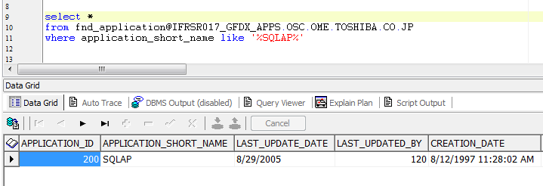

 | Fetch Ledger Details for PHP SOB Ledger
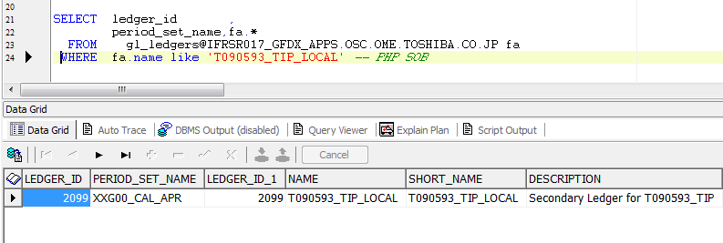

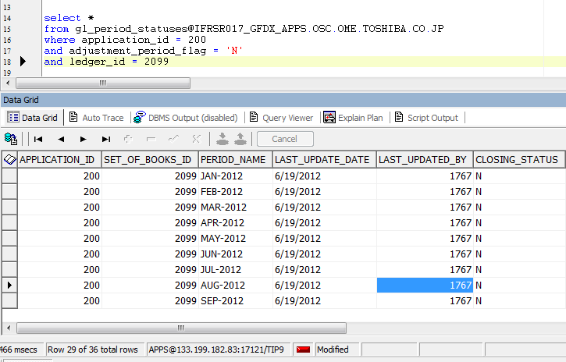

 | We see that the GL Period in PHP Ledger is closed for the Periods when the data is to be migrated . Hence the above Error is Reported.
 | Please check with the setup team on this

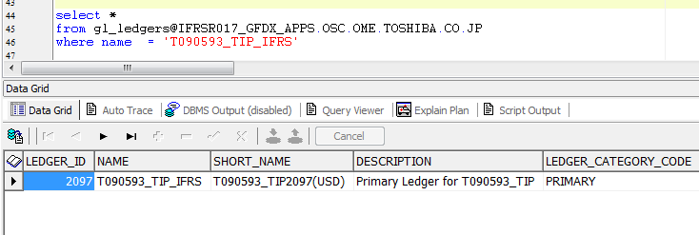

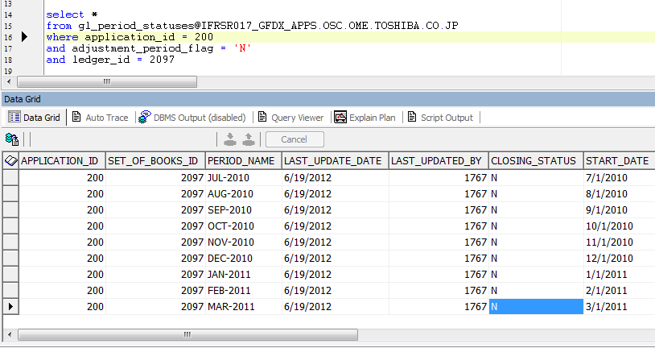

 | We see that the GL Period in USD Ledger is closed for the Periods when the data is to be migrated . Hence the above Error is Reported.
 | Please check with the setup team on this

6 | *****1-43XXGFAAU_CHK_B48_00001payment_term error

 | This error is reported when the mapped value of the Payment term is not present in GAIA.
 | SELECT COUNT(0) INTO wk_num FROM ap_terms_vl WHERE name = in_payment_term AND enabled_flag = 'Y' AND TRUNC(NVL(start_date_active, TO_DATE('00010101','YYYYMMDD'))) <= wk_date AND TRUNC(NVL(end_date_active, TO_DATE('99991231','YYYYMMDD'))) >= wk_date --# ¿¿¿¿¿¿¿¿¿ Add START 2012/04/16 1.1 SCSK ¿ AND rownum = 1; IF wk_num = 0 THEN out_return_code := 'XXGFAAU_CHK_B48_00001'; ELSE out_return_code := cons_ret_code_ok; END IF;

Analysis | If the Error is reported we need to check on 2 things 1. If the correct mapping is maintained in the upperstream system 2. The corresponding mapped supplier/site is present in GAIA and is enabled/active

7 | *****1-1XXGFAAU_CHK_B30_00005invoice_number is exist (xxcmn_if_lines_wk)

 | If we try to process invoices which have been already sent to GAIA in flat File and errored out during file upload we will get the Error. In order to prevent the Error from Happening we need to Change the status of these records from the Correction screen in the GAIA Instance so that they become eligible for re-processing

8 | *****1-44XXGFAAU_CHK_B39_00001pay_schedule_date is past date

 | This Error is reported if the below check fails

 | IF wk_attr1_0 = 'N' AND wk_attr1_1 = 'Y' THEN
 | IF TRUNC(in_pay_schedule_date) < wk_date THEN
 | out_return_code := 'XXGFAAU_CHK_B39_00001';
 | RETURN;
 | END IF ;
 | END IF ;

 | How to check : wk_attr1_0

 | BEGIN
 | SELECT attribute14
 | INTO wk_attr1_0
 | FROM iby_payment_methods_vl
 | WHERE payment_method_code = in_payment_method
 | ;
 | EXCEPTION
 | WHEN NO_DATA_FOUND THEN
 | out_return_code := 'XXGFAAU_CHK_B39_00002';
 | RETURN;
 | END;

 | How to check : wk_attr1_1
 | BEGIN
 | SELECT attribute1
 | INTO wk_attr1_1
 | FROM ap_terms_vl
 | WHERE name = in_payment_term
 | ;
 | EXCEPTION
 | WHEN NO_DATA_FOUND THEN
 | out_return_code := 'XXGFAAU_CHK_B39_00003';
 | RETURN;
 | END;

 | How to check : wk_date

 | BEGIN
 | SELECT TO_DATE(flvv.attribute1,'YYYY/MM/DD')
 | INTO wk_sysdate
 | FROM fnd_lookup_values_vl flvv
 | WHERE flvv.lookup_type = 'XXGFAAU_BASE_DATE'
 | AND flvv.lookup_code = in_legal_entity_code
 | AND flvv.enabled_flag = 'Y'
 | ;
 | EXCEPTION
 | WHEN OTHERS THEN
 | RETURN TRUNC(SYSDATE);
 | END;

 | The above Query does not fetch any data , thus SYSDATE is returned.

 | The Payment term date is less than sysdate hence we get the above Error

9 | *****1-6XXGFAAU_CHK_C33_00001amount error

 | GAIA Program will calculate the sum of line Amount and Match it with the header Amount. In case the sum of line recods <> Header Amount we get the above error

10 | *****1-41XXGFAAU_CHK_B65_10005the account corresponding to currency_code is not found.

 | This Error is Reported when the Supplier Account is not present/defined in GAIA for the particular Currency in which the Invoice is Created

 | IF wk_bank_account_use = '1' THEN
 | SELECT COUNT(IEBA. EXT_BANK_ACCOUNT_ID)
 | INTO wk_currency_cnt
 | FROM IBY_PMT_INSTR_USES_ALL IPIU,
 | IBY_EXT_BANK_ACCOUNTS IEBA,
 | IBY_EXTERNAL_PAYEES_ALL IEP,
 | AP_SUPPLIER_SITES_ALL ASS,
 | HZ_PARTY_SITES HPS
 | WHERE IPIU.INSTRUMENT_ID = IEBA.EXT_BANK_ACCOUNT_ID
 | AND IPIU.INSTRUMENT_TYPE = 'BANKACCOUNT'
 | AND IPIU.PAYMENT_FUNCTION = 'PAYABLES_DISB'
 | AND IPIU.EXT_PMT_PARTY_ID = IEP.EXT_PAYEE_ID
 | AND IEP.SUPPLIER_SITE_ID = ASS.VENDOR_SITE_ID(+)
 | AND IEP.PARTY_SITE_ID = HPS.PARTY_SITE_ID(+)
 | AND DECODE(IEP.SUPPLIER_SITE_ID, NULL, DECODE(IEP.ORG_ID, NULL, DECODE(IEP.PARTY_SITE_ID, NULL, 'SUPPLIER', 'ADDRESS'),
 | 'ADDRESS-OPERATING UNIT'),'SITE') = 'SITE'
 | AND TRUNC(NVL(IEBA.START_DATE, SYSDATE)) <= TRUNC(SYSDATE)
 | AND TRUNC(NVL(IEBA.END_DATE, SYSDATE)) >= TRUNC(SYSDATE)
 | AND NVL(IPIU.START_DATE, SYSDATE) <= SYSDATE
 | AND NVL(IPIU.END_DATE,SYSDATE) >= SYSDATE
 | AND IEBA.CURRENCY_CODE = NVL(in_pay_currency_code,in_inv_currency_code)
 | --# ¿¿¿¿¿¿¿¿¿¿¿¿¿¿¿¿ START 2012/08/17 1.44 EBSS ¿¿
 | AND ASS.VENDOR_SITE_CODE = DECODE(wk_emp_flg,'1','OFFICE',in_vendor_site_code)
 | AND ASS.VENDOR_ID = DECODE(wk_emp_flg,'1',wk_vendor_id,ASS.VENDOR_ID)
 | --# ¿¿¿¿¿¿¿¿¿¿¿¿¿¿¿¿ END 2012/08/17 1.44 EBSS ¿¿
 | AND ASS.ORG_ID = wk_org_id;

 | -- ¿¿¿¿¿¿¿¿¿¿¿¿¿¿¿
 | IF wk_currency_cnt > 0 THEN
 | out_return_code := cons_ret_code_ok;--OK
 | ELSE
 | out_return_code := 'XXGFAAU_CHK_B65_10005';--ERR
 | END IF;
 | ELSE
 | out_return_code := cons_ret_code_ok;--OK
 | END IF;

Analysis | The GAIA Program will execute the above query and if the error is reported it is generally because of the below reason: The Invoice currency does not match with the Bank Account currency setup at the supplier site. In such a case a Bank Acount for tha Invoice currency needs to be setup at the supplier site

11 | *****1-20XXGFAAU_CHK_A28_00011org information get error

 | The above error occurs when GAIA program tries to fetch the Org name for TIP but cannot find it

 | This Error is reported in case there are any setup changes in GAIA , If this Error is reported we need to check with the concerned team maintaining the setup

12 | 1-20XXGFAAU_CHK_B40_00001expense_subsidy error

 | We need to populate fixed value ‘0’ in attribute1 of the AP header, the code has been changed to populate this value and the current data in the staging table has also been updated.

13 | *****1-41XXGFAAU_CHK_A16_00002org_id get error

 | The above error occurs when GAIA program tries to fetch the Org name for TIP but cannot find it

 | This Error is reported in case there are any setup changes in GAIA , If this Error is reported we need to check with the concerned team maintaining the setup

14 | *****1-43XXGFAAU_CHK_C28_00002org_id get error

 | The above error occurs when GAIA program tries to fetch the Org name for TIP but cannot find it

 | This Error is reported in case there are any setup changes in GAIA , If this Error is reported we need to check with the concerned team maintaining the setup

15 | *****1-XXGFAAU_CHK_B28_00001responsibility key get error

 | GAIA Program sets the responsibility context and fetched the details from the GAIA system. This Error was earlier resolved by HQ

16 | *****1-XXGFAAU_CHK_C17_10001payment_group is null

 | null is reported when Payment group is not getting assigned in GAIA ie GAIA tries to assign a value to the Payment group field but the value is NULL

 | Below is the Analysis of why the error is Reported:

 | 1. GAIA Error Check Program is trying to fetch the Payment group based on the below query :

 | SELECT atv.name ,
 | apsa.pay_group_lookup_code
 | INTO wk_payment_term ,
 | wk_pay_group
 | FROM ap_terms_vl atv ,
 | ap_supplier_sites_all apsa,
 | ap_suppliers aps
 | WHERE aps.segment1 = wk_supplier_code AND
 | aps.vendor_id = apsa.vendor_id AND
 | apsa.vendor_site_code = wk_supplier_site_code AND
 | apsa.org_id = wk_org_id AND
 | atv.term_id(+) = apsa.terms_id;
 | wk_supplier_code = Mapped value of the vendor number
 | wk_supplier_site_code = Mapped value of vendor_site_code , If the supplier is and Employee then the wk_supplier_site_code = 'OFFICE'

 | 2. If No Data is found then the program will assign the value of pay_group_lookup_code fetched from the staging table and assigned.
 | 3. As per GAIA check pay_group_lookup_code should be NULL In the staging table
 | 4. Since the above query does not fetch any data and pay_group_lookup_code is also NULL we get this Error.

17 | 1-31XXGFAAU_CHK_A35_00505manufacturing_model_research is not null

 | This Error is Reported because GAIA expects valu to be populated in Attribute1 of the header record. If the value is not populated we get an Error. Currently the Program populates a fixed value "0"

18 | *****1-1XXGFAAU_CHK_B30_00005invoice_number is exist (xxcmn_if_lines_wk)

 | This Error is Reported if we are running the Conversion and Error check program for a record which has already been sent to GAIA via the Flat file. And GAIA system has uploaded the invoice in the Coomon Interface table.

 | We either need to check if this is an Issue in TIP system , If not the record status must be updated in the GAIA system

19 | *****1-1XXGFAAU_CHK_B30_00002invoice_number is exist (ap_invoices_all)

 | This Error is reported if the Conversion and error check program processes an invoice which has already been imported into the GAIA system. As a match is found for the same invoice in GAIA the error is reported. If this error is reportd we need to check why was this invoice re-processed , did a system error occur and the invoice status was not updated in the staging table although the invoice has already been sent to GAIA

20 | *****1-43XXGFAAU_CHK_C28_00004pay_group is not exist

 | This Error is Reported in GAIA when the paygroup lookupcode is not defined for the supplier site.

 | GAIA Program below query to check this, If the value returned is NULL, we get the abov error

 | BEGIN
 | --# ¿¿¿¿¿¿¿¿¿¿¿¿ Mod START 2011/10/19 1.2 SCSK ¿
 | SELECT atv.name ,
 | apsa.pay_group_lookup_code
 | INTO wk_payment_term ,
 | wk_pay_group
 | FROM ap_terms_vl atv ,
 | ap_supplier_sites_all apsa,
 | ap_suppliers aps
 | WHERE aps.segment1 = wk_supplier_code AND
 | aps.vendor_id = apsa.vendor_id AND
 | apsa.vendor_site_code = wk_supplier_site_code AND
 | apsa.org_id = wk_org_id AND
 | atv.term_id(+) = apsa.terms_id;
 | EXCEPTION
 | --# ¿¿¿¿¿¿¿¿¿¿¿¿ Mod START 2011/10/19 1.2 SCSK ¿
 | WHEN NO_DATA_FOUND THEN
 | #NAME?
 | --# ¿¿¿¿¿¿¿¿¿¿¿¿ Mod END 2011/10/19 1.2 SCSK ¿
 | wk_payment_term := NULL ;
 | wk_pay_group := NULL ;
 | END

21 | XXGFAAU_CHK_C28_00001payment_term get error

 | GAIA Error Check Program tries to find out the Paymet Method term for the gicen suplier and supplier site. Incase the SQL Query does not detch any data or fethes NULL value, we get the Error

 | GAIA Eecutes the below query to fetch the payment method
 | SELECT ibeppm.payment_method_code
 | INTO out_payment_method
 | FROM iby_ext_party_pmt_mthds ibeppm ,
 | iby_external_payees_all ibepa ,
 | ap_supplier_sites_all apssa ,
 | ap_suppliers aps
 | WHERE aps.segment1 = wk_supplier_code AND
 | aps.enabled_flag = cons_status_y AND
 | apssa.vendor_id = aps.vendor_id AND
 | apssa.vendor_site_code = wk_supplier_site_code AND
 | apssa.org_id = wk_org_id AND
 | ibepa.payee_party_id = aps.party_id AND
 | ibepa.supplier_site_id = apssa.vendor_site_id AND
 | ibepa.org_id = wk_org_id AND
 | ibeppm.ext_pmt_party_id = ibepa.ext_payee_id AND
 | ibeppm.primary_flag = cons_status_y;

 | If this error is reported we need to check that the supplier and supplier site under consideration are correctly setup in GAIA, If YES then we need to check the supplier setup to see if the payment method has been correctly defined in GAIA.

22 | *****1-XXGFAAU_CHK_C17_00001abroad_group error

 | The Error is Repoted by GAIA in executing the below query

 | BEGIN
 | SELECT flvv.attribute1
 | INTO wk_abroad_group
 | FROM fnd_lookup_values_vl flvv
 | WHERE flvv.lookup_type = 'PAY GROUP'
 | AND flvv.lookup_code = in_payment_group
 | AND flvv.enabled_flag = 'Y'
 | AND TRUNC(NVL(flvv.start_date_active, wk_standard_date)) <= wk_standard_date
 | AND TRUNC(NVL(flvv.end_date_active, wk_standard_date)) >= wk_standard_date
 | ;
 | EXCEPTION
 | WHEN NO_DATA_FOUND THEN
 | out_return_code := 'XXGFAAU_CHK_C17_00001';
 | RETURN;
 | END;

 | in_payment_groupis the supplier pay_group_lookup code fetched from the below Query

 | SELECT atv.name ,
 | apsa.pay_group_lookup_code
 | INTO wk_payment_term ,
 | wk_pay_group
 | FROM ap_terms_vl atv ,
 | ap_supplier_sites_all apsa,
 | ap_suppliers aps
 | WHERE aps.segment1 = wk_supplier_code AND
 | aps.vendor_id = apsa.vendor_id AND
 | apsa.vendor_site_code = wk_supplier_site_code AND
 | apsa.org_id = wk_org_id AND
 | atv.term_id(+) = apsa.terms_id;

 | When GAIA tries to validate the fetched value of the Pay group lookup code, against the lookup PAY GROUP but does not find a corresponding value, the above error is reported. It needs to be ensured that the paygroups assigned are defined in the lookup 'PAY GROUP' and are active/enabled

23 | *****1-4XXGFAAU_CHK_B29_00001invoice_source error

 | GAIA Program checks for the validity of the invoice source using the below SQL query

 | BEGIN
 | SELECT lookup_code
 | INTO wk_lookup_code
 | FROM fnd_lookup_values
 | WHERE lookup_type = 'SOURCE' AND
 | view_application_id = xxgfaau_add_cmn_chk_pkg.get_application_id('AP') AND
 | lookup_code = in_invoice_source AND
 | security_group_id = 0 AND
 | language = USERENV('LANG') AND
 | enabled_flag = 'Y' AND
 | TRUNC(NVL(start_date_active,TO_DATE('00010101','YYYYMMDD'))) <= TRUNC(NVL(in_standard_date,xxgfaau_add_cmn_chk_pkg.get_system_date)) AND
 | TRUNC(NVL(end_date_active,TO_DATE('99991231','YYYYMMDD'))) >= TRUNC(NVL(in_standard_date,xxgfaau_add_cmn_chk_pkg.get_system_date)) ;
 | EXCEPTION
 | WHEN NO_DATA_FOUND THEN
 | out_return_code := 'XXGFAAU_CHK_B29_00001';
 | RETURN;
 | END;

 | In case No Value is found in GAIA we get the Error
Analysis | If the Error is reported we need to check on 2 things 1. If the correct mapping is maintained in the upperstream system 2. The corresponding mapped supplier/site is present in GAIA and is enabled/active

